Sheet1
dataset | PFS' | Prism | GTREE | RWordle-L | Ours
Sensorless_drive_diagnosis | 5.40% | 6.00% | 4.50% | 0.10% | 0.80%
Condition_based_maintenance | 3.50% | 0.70% | 2.70% | 0.10% | 0.50%
Cup98LRN | 26.00% | 18.50% | 20.90% | 2.60% | 4.30%
Google_playstore_sentiment | 1.00% | 43.60% | 6.60% | 0.60% | 0.40%
BeijingPM2.5 | 17.60% | 28.50% | 21.80% | 5.70% | 0.60%
Human_activity_recognition | 55.80% | 30.40% | 45.80% | 7.50% | 1.60%
Crowd_sourced_mapping | 3.50% | 1.00% | 3.20% | 0.10% | 0.40%
Telescope | 10.50% | 10.30% | 11.70% | 0.30% | 2.10%
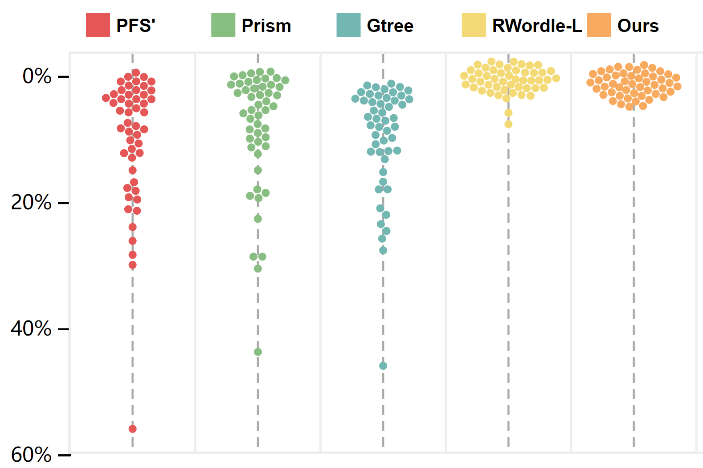
Credit_card_fraud | 21.00% | 9.90% | 15.10% | 0.30% | 2.40%
MoCap | 8.10% | 6.00% | 11.00% | 0.20% | 2.00%
BlackFriday | 0.40% | 0.40% | 1.50% | 0.10% | 0.60%
2008_cancelled_flights | 23.80% | 22.50% | 23.40% | 1.80% | 0.50%
Barcelona_accident | 3.10% | 4.50% | 8.90% | 0.10% | 0.40%
HT_sensor | 7.90% | 4.70% | 6.60% | 0.10% | 0.30%
Epileptic_seizure | 5.20% | 0.50% | 3.00% | 0.00% | 1.70%
Terrorism | 12.00% | 28.50% | 10.10% | 1.00% | 0.30%
Mnist_tsne | 0.70% | 0.60% | 2.90% | 0.00% | 0.70%
Swiss_roll_3d | 2.20% | 2.40% | 2.40% | 0.10% | 0.50%
Nomao | 29.80% | 14.80% | 27.50% | 0.50% | 0.70%
Person_activity | 12.60% | 5.80% | 8.30% | 0.10% | 0.30%
Diamonds | 19.30% | 18.90% | 24.40% | 1.90% | 4.30%
Wine | 18.10% | 17.90% | 17.80% | 0.20% | 3.20%
Gas_sensor_array_drift | 28.20% | 19.00% | 25.60% | 0.80% | 3.00%
Abalone | 2.60% | 2.70% | 3.60% | 0.10% | 0.70%
Gesture_phase | 19.10% | 8.40% | 8.40% | 0.40% | 0.60%
CS_rankings | 1.20% | 0.80% | 3.60% | 0.00% | 1.10%
Satimage | 8.30% | 5.40% | 11.70% | 0.00% | 1.20%
Avila | 16.80% | 9.50% | 11.80% | 0.20% | 0.40%
Forest_covertype | 10.10% | 8.80% | 12.80% | 0.20% | 1.60%
Clothes | 1.90% | 0.60% | 3.30% | 0.00% | 1.30%
News_popularity | 3.10% | 0.90% | 2.80% | 0.20% | 0.90%
Grammatical_facial_expression | 21.20% | 11.00% | 16.70% | 0.20% | 0.70%
Swiss_roll_2d | 3.80% | 2.70% | 5.10% | 0.00% | 1.00%
worse
Hathi_trust_library | 3.30% | 1.00% | 3.40% | 0.10% | 0.80%
Daily_sports | 8.00% | 10.90% | 6.60% | 0.60% | 0.40%
Manhattan | 0.30% | 1.80% | 3.00% | 0.00% | 0.90%
Phyllotaxis | 0.00% | 0.20% | 2.40% | 0.00% | 0.40%
Basketball | 11.50% | 8.40% | 11.90% | 0.20% | 0.90%
Dc_census_citizens | 9.20% | 3.30% | 8.00% | 0.10% | 0.60%
Chicago_crimes | 5.30% | 2.90% | 7.30% | 0.10% | 1.10%
DBLP_samples | 0.90% | 0.70% | 2.80% | 0.00% | 1.20%
Music | 3.40% | 1.10% | 4.20% | 0.00% | 1.00%
News | 1.00% | 0.90% | 3.50% | 0.00% | 1.50%
Paleontology | 3.40% | 1.10% | 2.20% | 0.10% | 0.80%
COVID-19_deaths | 12.00% | 12.20% | 6.50% | 0.30% | 1.50%
GridGena | 2.80% | 0.70% | 3.40% | 0.00% | 1.60%
GaAsH6 | 5.30% | 0.90% | 2.90% | 0.10% | 1.20%
Copter | 3.90% | 0.60% | 3.90% | 0.10% | 0.80%
News_aggregator | 14.80% | 5.70% | 17.80% | 0.60% | 0.60%
GNFUV | 8.20% | 7.30% | 9.50% | 0.50% | 3.70%

